Image Descriptions
S.no | Image Thumbnail | Content Asset:Long Description | Notes | Image ID | Action
1 | 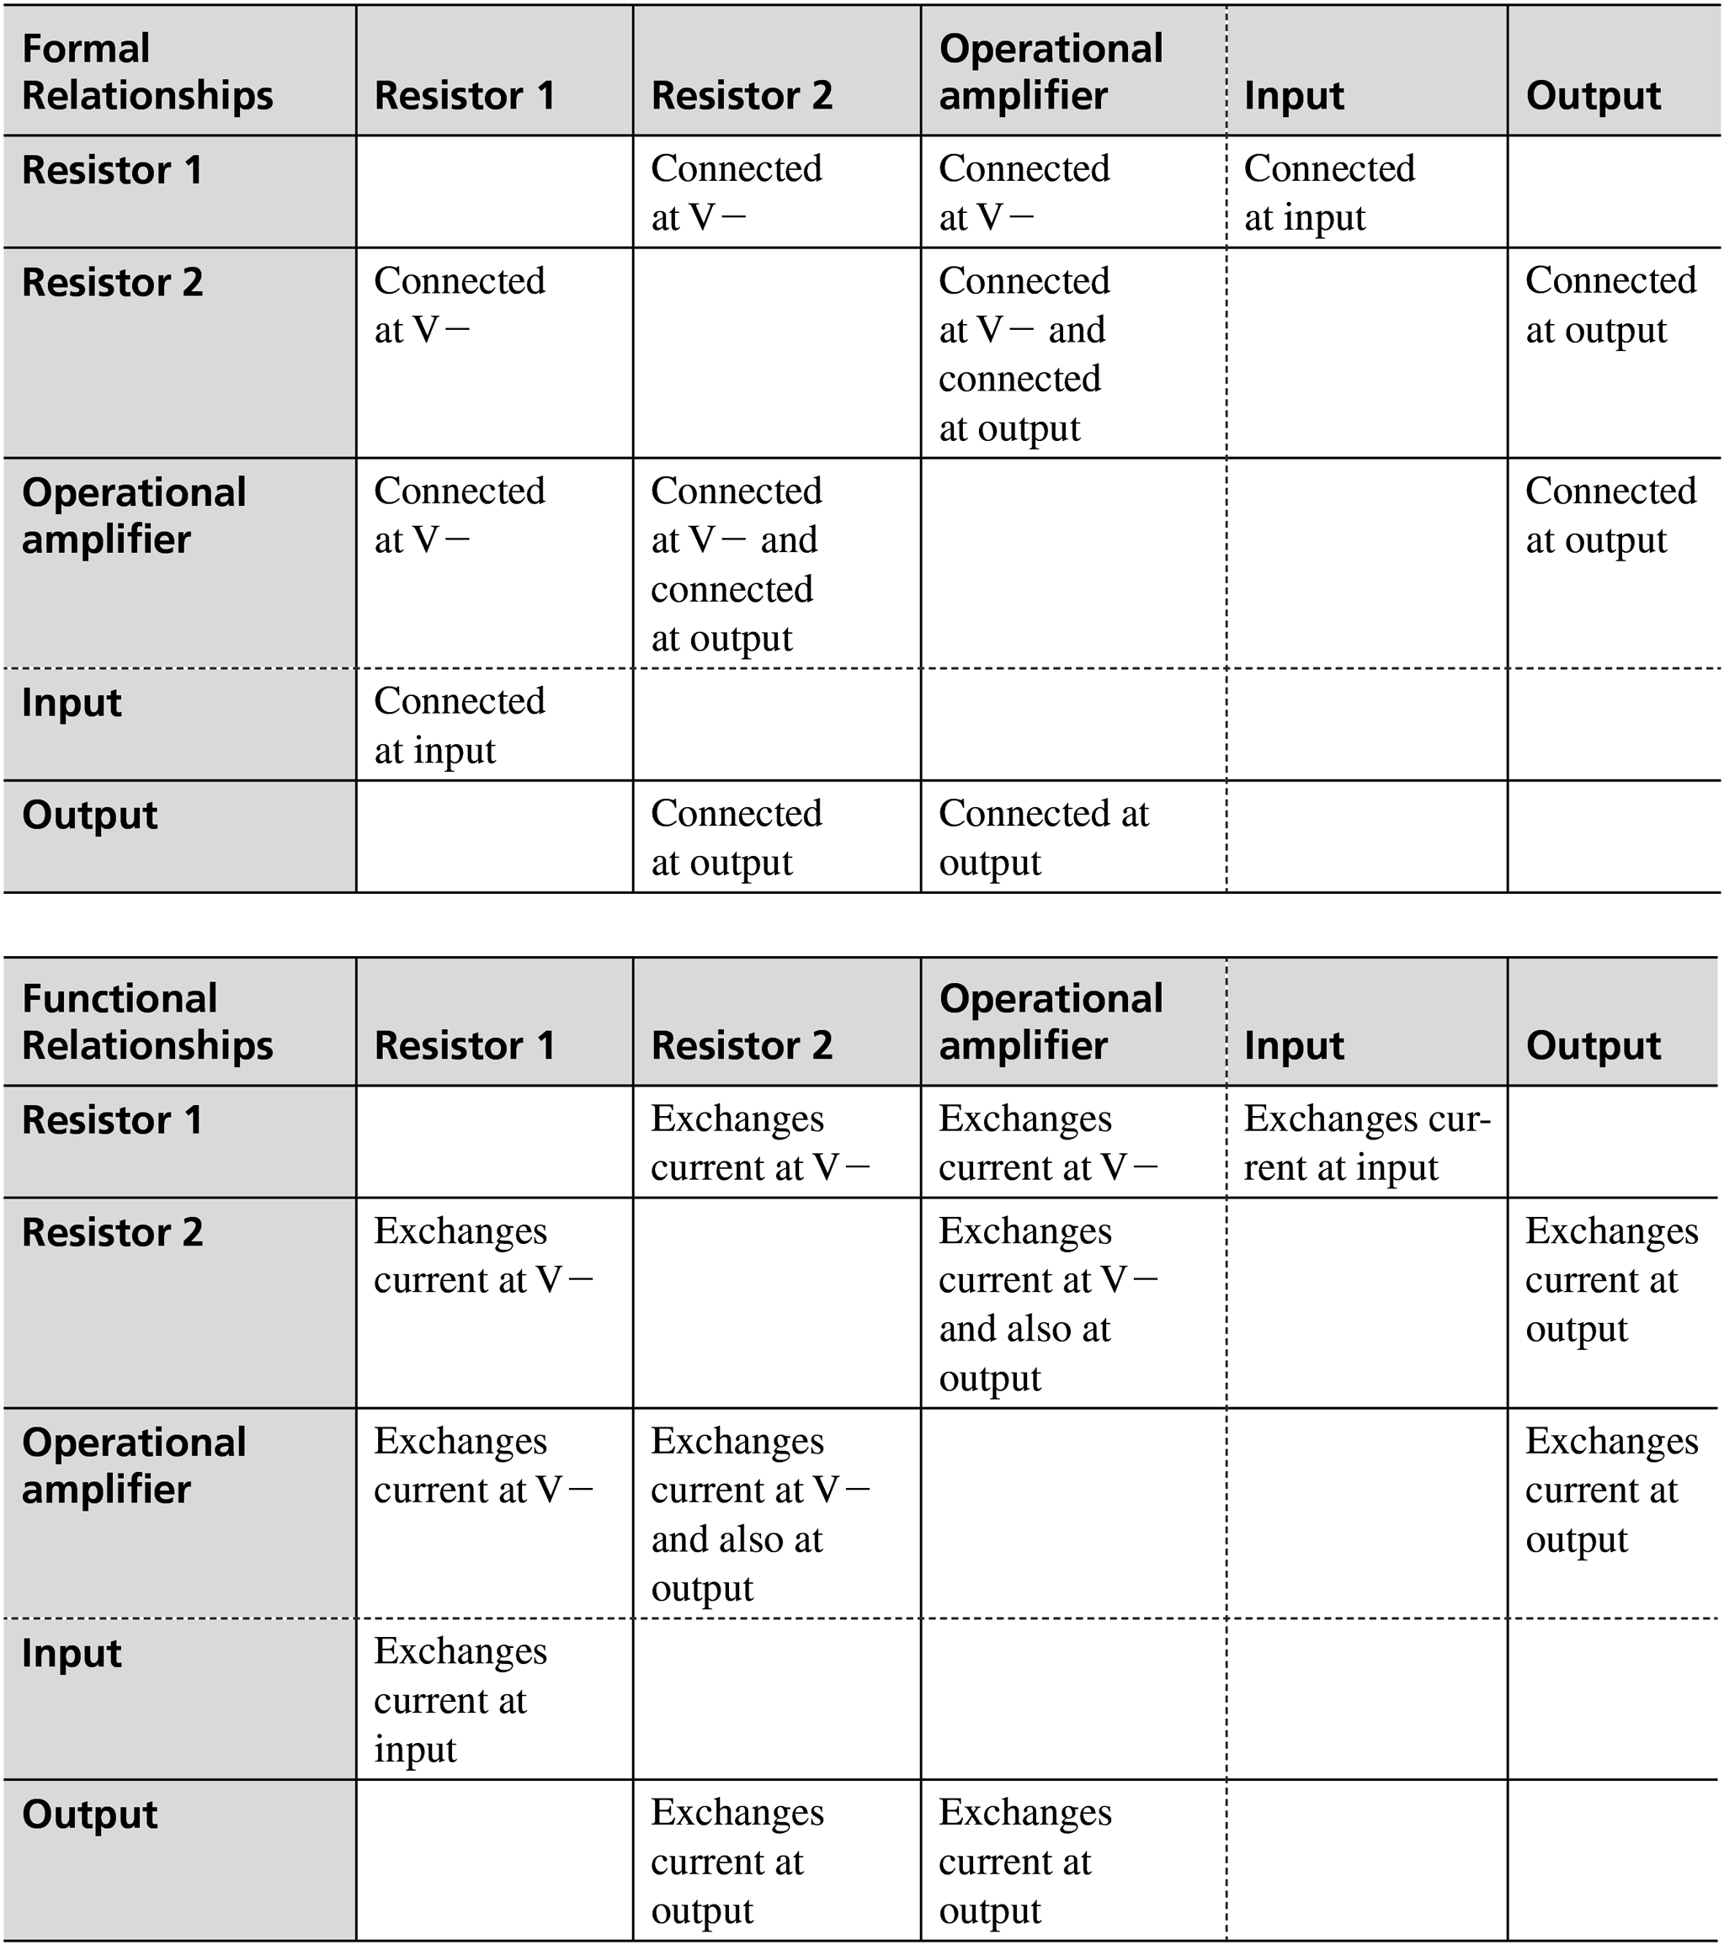 | <!DOCTYPE html> <html lang="en"> <head> <meta charset="UTF-8"> <meta http-equiv="X-UA-Compatible" content="IE=edge"> <meta name="viewport" content="width=device-width, initial-scale=1.0"> <title>Document</title> <style> table,th,td,tr{ border:1px solid black; border-collapse:collapse; border-right: none; padding-right:50px; width: 10%; padding-left:10px; } th{ background-color: lightgray; text-align: left; padding-bottom: 10px; } </style </head> <body> <table> <tr> <th>Formal</br> Relationships</th> <th>Resistor 1</th> <th>Resistor 2</th> <th>Operational</br> amplifier</th> <th>Input</th> <th>Output</th> </tr> <tr> <th style="text-align:start;"><b>Resistor 1</b></th> <td></td> <td>Connected</br> at V -</td> <td>Connected</br> at V -</td> <td>Connected</br> at input</td> <td></td> </tr> <tr> <th><b>Resistor 2</b></th> <td>Connected</br>at V -</td> <td></td> <td>Connected</br> at V - and</br> connected</br> at output</td> <td></td> <td>Connected</br> at output</td> </tr> <tr> <th><b>Operational</br> amplifier</b></th> <td>Connected</br> at V -</td> <td> Connected</br> at V- and</br>Connected at Output</td> <td></td> <td></td> <td>Connected at</br> output</td> </tr> <tr> <th>Input</th> <td>Connected</br> at Input</td> <td></td> <td></td> <td></td> <td></td> </tr> <tr> <th><b>Output</b><
2 | 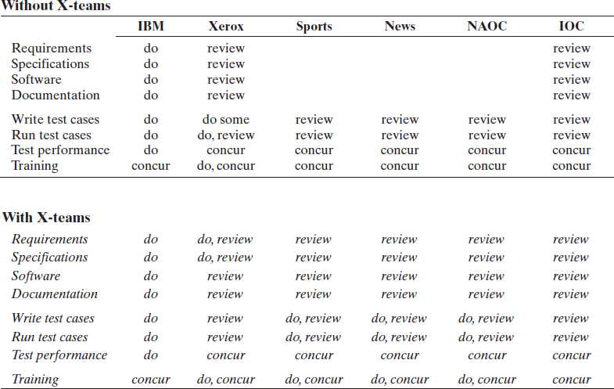 | <!DOCTYPE html> <html lang="en"> <head> <meta charset="UTF-8"> <meta http-equiv="X-UA-Compatible" content="IE=edge"> <meta name="viewport" content="width=device-width, initial-scale=1.0"> <title>Document</title> <style> table{ padding:15px; } th{ text-align: left; padding-left: 10px; padding-top: 10px; } td,tr{ padding:10px; width: 5%; } b{ padding-left:10px; } </style> </head> <body> <table> <tr> <th colspan="7">Without X-teams</th> </tr> <tr> <td colspan="8" style="color:black"> <hr> </td> </tr> <tr> <th></th> <th>IBM</th> <th>Xerox</th> <th>Sports</th> <th>News</th> <th>NAOC</th> <th>IOC</th> </tr> <tr> <td></td> <td colspan="6"> <hr> </td> </tr> <tr> <td>Requirements</td> <td>do</td> <td>review</td> <td> </td> <td></td> <td></td> <td>review</td> </tr> <tr> <td>Specifications</td> <td>do</td> <td>review</td> <td></td> <td></td> <td></td> <td>review</td> </tr> <tr> <td>Software</td> <td>do</td> <td>review</td> <td></td> <td></td> <td></td> <td>review</td> </tr> <tr> <td>Documentation</td> <td>do</td> <td>review</td> <td></td> <td></td> <td></td> <td>review</td> </tr> <tr> <td>Write test cases</td> <td>do</td> <td>do some</td> <t
3 | 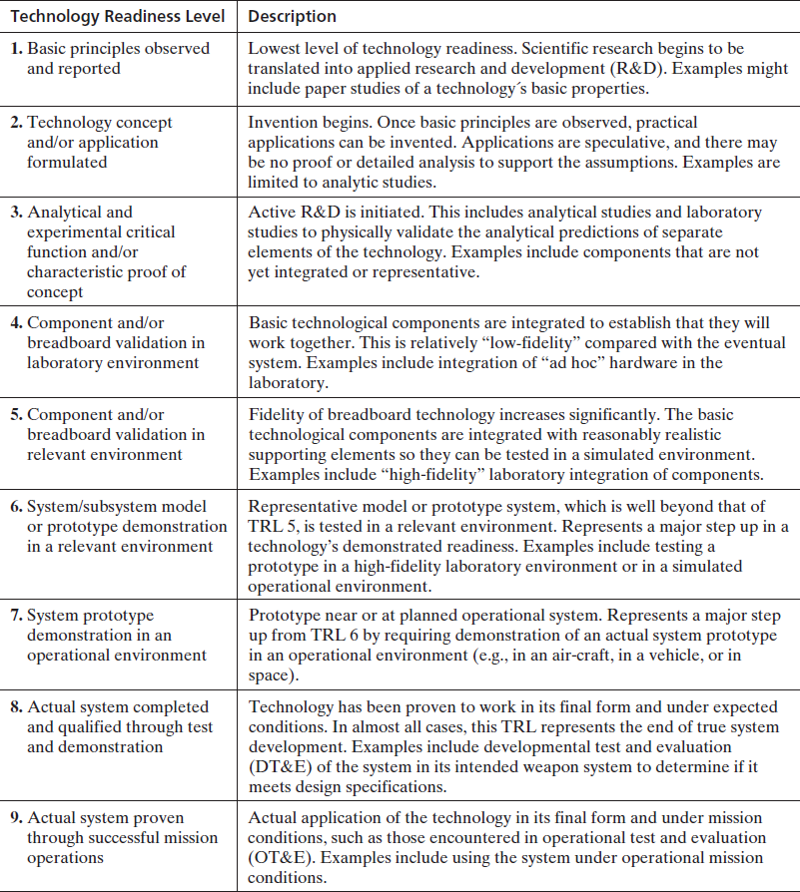 | <!DOCTYPE html> <html lang="en"> <head> <meta charset="UTF-8"> <meta http-equiv="X-UA-Compatible" content="IE=edge"> <meta name="viewport" content="width=device-width, initial-scale=1.0"> <title>Task7</title> <style> table ,th,td,tbody{ border: 1px solid black; border-collapse: collapse; text-align: left; border-left: none; } </style> </head> <body><table> <tbody> <tr> <th rowspan="4">Matter</th> <td rowspan="2">Mechanical</td> <td colspan="1">Mass exchange</td> <td colspan="1">Passes flow to</td> </tr> <tr> <td>Force/momentum</td> <td>Pushes on</td> </tr> <tr> <td rowspan="2">Biochemical</td> <td >Chemical</td> <td >Reacts with</td> </tr> <tr> <td >Biological</td> <td >Replicates</td> </tr> <tr> <th rowspan="2">Energy</th> <td rowspan="2"></td> <td >Work</td> <td >Carries electricity</td> </tr> <tr> <td >Thermal energy</td> <td >Heats</td> </tr> <tr> <th rowspan="4">Information</th> <td rowspan="2">Signal</td> <td >Data</td> <td >Transfer file</td> </tr> <tr> <td >Commands</td> <td >Triggers</td> </tr> <tr> <td rowspan="2">Thought</td> <td >Cognitive thought</td> <td >Exchanges ideas</td> </tr> <tr> <td >Affective thought</td> <td >Imparts beliefs</td> </tr> </tbody> </table> </body> </html>
4 | 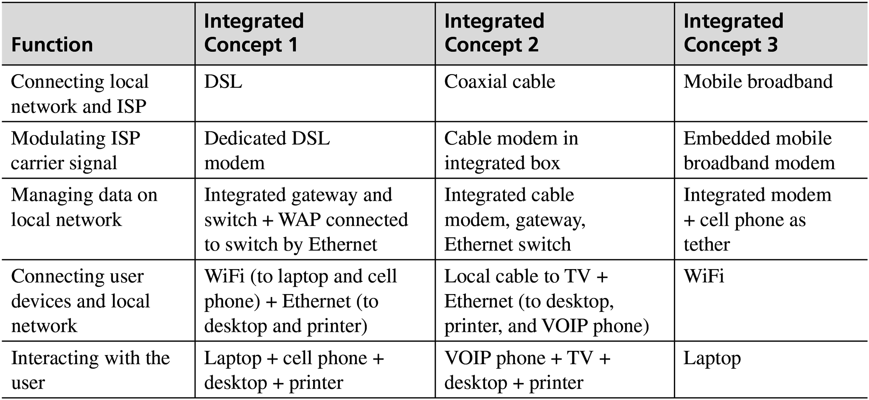 | <!DOCTYPE html> <html lang="en"> <head> <meta charset="UTF-8"> <meta http-equiv="X-UA-Compatible" content="IE=edge"> <meta name="viewport" content="width=device-width, initial-scale=1.0"> <title>Document</title> <style> table,th,td,tr { border:1px solid black; border-collapse:collapse; } th{ background-color: lightgray; text-align: left; } </style> </head> <body> <table> <tr> <th>Function</th> <th>Integrated </br>Concept 1</th> <th>Integrated</br>Concept 2</th> <th>Integrated</br>Concept 3</th> </tr> <tr> <td>Connecting local</br>network and ISP</td> <td>DSL</td> <td>Coaxial cable</td> <td>Mobile broadband</td> </tr> <tr> <td>Modulating ISP </br>br>carrier signal</td> <td>Dedicated DSL</br> modem</td> <td>Cable modem in</br> integrated box</td> <td>Embedded mobile</br> broadband modem</td> </tr> <tr> <td>Managing data on</br> local network</td> <td>Integrated gateway and</br> switch + WAP connected</br> to switch by Ethernet</td> <td>Integrated cable</br> modem, gateway,</br> Ethernet switch</td> <td>Integrated modem</br> + cell phone as</br> tether</td> </tr> <tr> <td>Connecting user</br>devices and local</br> network</td> <td>WiFi (to laptop and cell</br> phone) + Ethernet (to</br> desktop and printer)</td> <td>Local cable to TV +</br> Ethernet (to desktop,</br> printer, and VOIP phone)</td> <td>WiFi</td> </tr> <tr> <td>Interacting with the</br>user</td> <td>Laptop + cell phone +</br> desktop + printer</td> <td>VOIP phone + TV +</br> desktop + printer</td> <td>Laptop</td> </tr> </table> </body> </html>
5 | 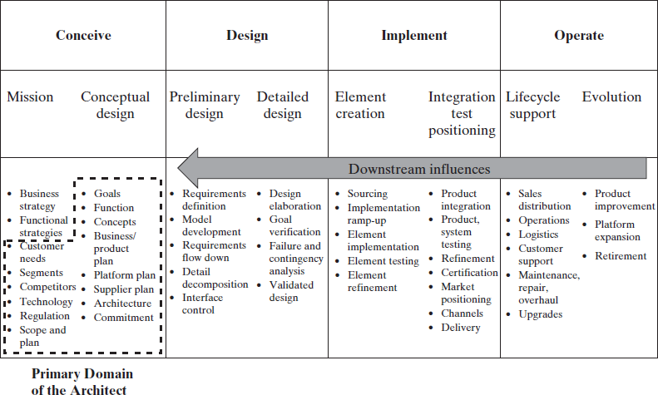 | <!DOCTYPE html> <html lang="en"> <head> <meta charset="UTF-8"> <meta http-equiv="X-UA-Compatible" content="IE=edge"> <meta name="viewport" content="width=device-width, initial-scale=1.0"> <title>Document</title> <style> table,tr,th,td { border:1px solid black; border-collapse:collapse; } </style> </head> <body> <table> <tr> <th colspan="2">Conceive</th> <th colspan="2">Design</th> <th colspan="2">Implement</th> <th colspan="2">Operate</th> </tr> <tr> <td>Mission</td> <td>Conceptual design</td> <td>Preliminary design</td> <td>Detailed design</td> <td>Element creation</td> <td>Integration test positioning</td> <td>Lifecycle support</td> <td>Evolution</td> </tr> <tr> <td colspan="8"><b>Downstream influences</b></td> </tr> <tr> <td>Business strategy<br>Functional strategies Customer needs<br>Segments<br>Competitors<br>Technology<br>Regulation<br>Scope and plan</td> <td>Goals<br>Function<br>Concepts<br>Business/ product plan<br>Platform plan<br>Supplier plan<br>Architecture<br>Commitment</td> <td>Requirements definition<br>Model development<br>Requirements flow down<br>Detail decomposition<br>interface control</td> <td>Design elaboration<br>Goal<br>verification Failure and contingency analysis<br>Validated design</td> <td>Sourcing<br>Implementation ramp-up<br>Element<br>implementation Element testing<br>Element refinement</td> <td>Product integration<br>Product, system testing<br>Refinement<br>Certification<br>Market positioning<br>Channels<br>Delivery</td> <td>Sales distribution<br>Operations<br>Logistics<br>Customer support<br>Maintenance, repair, overhaul<br>Upgrades</td> <td>Product improvement<br>Platform expansion<br>Retirement</td> </tr> </table> </body> </ht
6 | 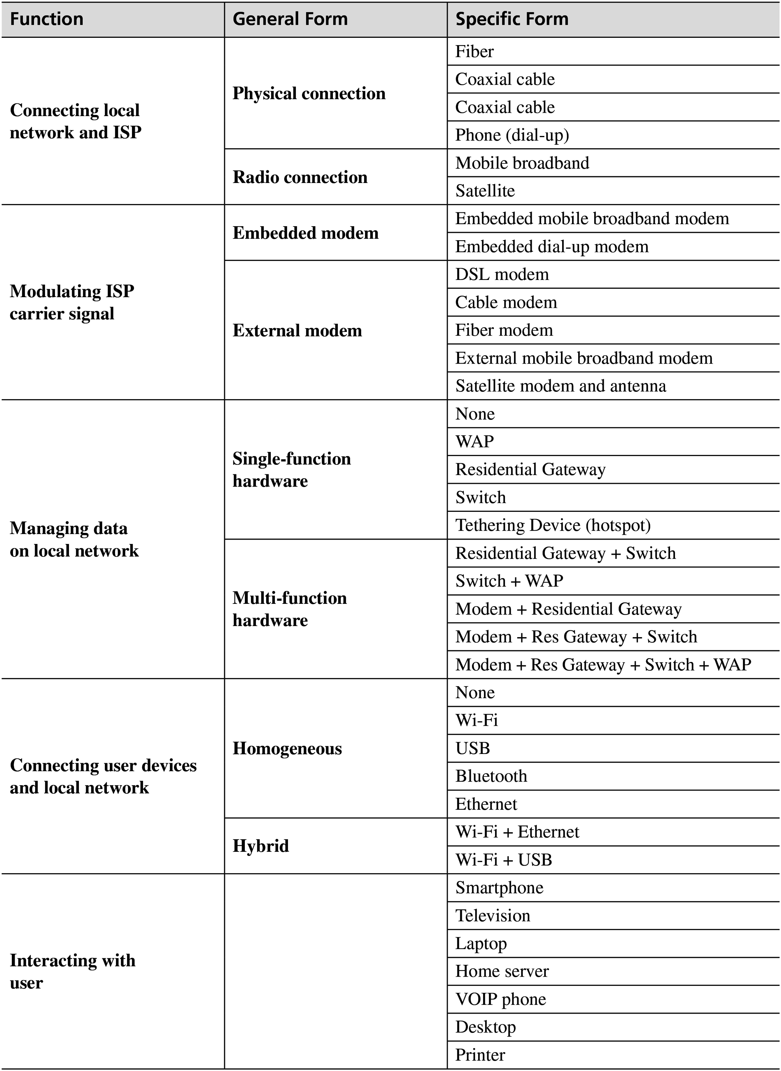 | <!DOCTYPE html> <html lang="en"> <head> <meta charset="UTF-8"> <meta http-equiv="X-UA-Compatible" content="IE=edge"> <meta name="viewport" content="width=device-width, initial-scale=1.0"> <title>Document</title> <style> table,th,tr,td { border:1px solid black; border-collapse: collapse; } th { background-color: lightgray; } </style> </head> <body> <table> <tr> <th>Function</th> <th>General Form</th> <th>Specific Form</th> </tr> <tr> <td rowspan="6">Connecting local network and ISP</td> <td rowspan="4">Physical connection</td> <td>Fiber</td> </tr> <tr> <td>Coaxial cable</td> </tr> <tr> <td>Coaxial cable</td> </tr> <tr> <td>Phone (dial-up)</td> </tr> <tr> <td rowspan="2">Radio Connection</td> <td>Mobile broadband</td> </tr> <tr> <td>Mobile broadband</td> </tr> <tr> <td rowspan="7">Modulating ISP carrier signal</td> <td rowspan="2">Embedded modem</td> <td>Embedded mobile broadband modem</td> </tr> <tr> <td>Embedded dial-up modem</td> </tr> <tr> <td rowspan="5">External modem</td> <td>DSL modem</td> </tr> <tr> <td>Cable modem</td> </tr> <tr> <td>Fiber modem</td> </tr> <tr> <td>External mobile broadband modem</td> </tr> <tr> <td>Satellite modem and antenna</td> </tr> <tr> <td rowspan="10">Managing data on local network</td> <td rowspan="5">Single-function hardware</td> <td>None</td> </tr> <tr> <td>WAP</td> </tr> <tr> <td>Residential Gateway</td> </tr> <tr> <td>Switch</td> </tr> <tr> <td>Tethering Device (hotspot)</td>
7 | 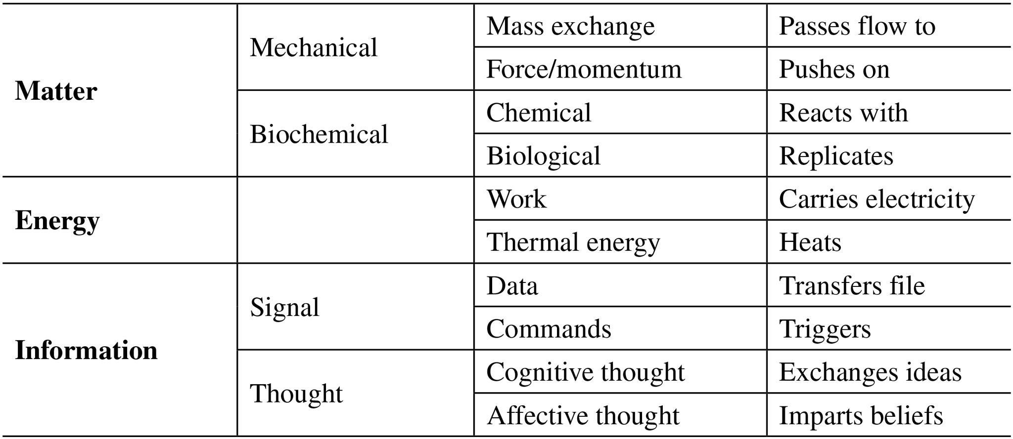 | <!DOCTYPE html> <html lang="en"> <head> <meta charset="UTF-8"> <meta http-equiv="X-UA-Compatible" content="IE=edge"> <meta name="viewport" content="width=device-width, initial-scale=1.0"> <title>Task7</title> <style> table ,th,td,tbody{ border: 1px solid black; border-collapse: collapse; text-align: left; border-left: none; } </style> </head> <body><table> <tbody> <tr> <th rowspan="4">Matter</th> <td rowspan="2">Mechanical</td> <td colspan="1">Mass exchange</td> <td colspan="1">Passes flow to</td> </tr> <tr> <td>Force/momentum</td> <td>Pushes on</td> </tr> <tr> <td rowspan="2">Biochemical</td> <td >Chemical</td> <td >Reacts with</td> </tr> <tr> <td >Biological</td> <td >Replicates</td> </tr> <tr> <th rowspan="2">Energy</th> <td rowspan="2"></td> <td >Work</td> <td >Carries electricity</td> </tr> <tr> <td >Thermal energy</td> <td >Heats</td> </tr> <tr> <th rowspan="4">Information</th> <td rowspan="2">Signal</td> <td >Data</td> <td >Transfer file</td> </tr> <tr> <td >Commands</td> <td >Triggers</td> </tr> <tr> <td rowspan="2">Thought</td> <td >Cognitive thought</td> <td >Exchanges ideas</td> </tr> <tr> <td >Affective thought</td> <td >Imparts beliefs</td> </tr> </tbody> </table> </body> </html>

